SKF_Data EN
 |  | Technical request repository system V1.25

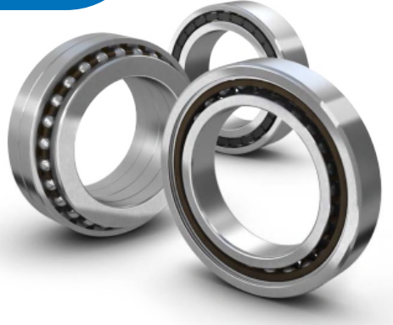
 |  | Inquiry No. | "
New request submitting
 | Requested date (DD/MM/YYYY)
 | Customer Name
 | Division
 | SKF Sales Unit
 | SKF Contact
 | Is it a new application ?
 | Is it a catalogue item ?
 | Is there a calculation/simulation ready?

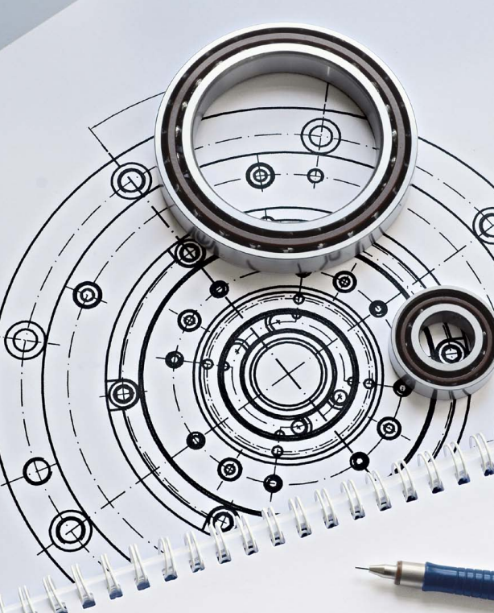
 | Application information |  | Comment | Units
 | Customer Platform
 | Maximum speed |  |  | [RPM]
 | Lubrication
 | Spindle position
 | Required life time (L10) |  |  | [h]
 | Required Radial Stiffness |  |  | [N/µm]
 | Point of Load Application Radial Stiffness |  |  | [mm]
 | Required Axial Stiffness |  |  | [N/µm]
 | Vibration Limit |  |  | [mm/Sec]
 | Max Radial Run-out if any |  |  | [µm]
 | Max Axial Run-out if any |  |  | [µm]
 | Temperature Limit |  |  | [°C]
 | Shaft/IR fitting tolerance |  |  | [µm]
 | OR/Housing fitting tolerance |  |  | [µm]

 | Financial Information |  | Comment
 | Year quantity
 | Samples Q,ty for testing
 | Target Price

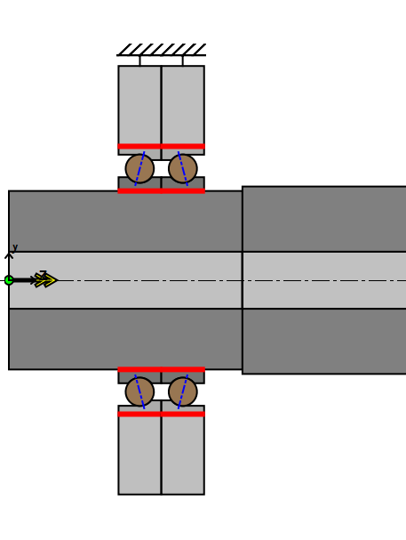
 | Technical Bearing data
 | FRONT (Work, Tooling side, Drive side) | Selection #1 | Comment | Units
 | Bearing series
 | Contac angle |  |  | [°Deg]
 | Internal design
 | Bore diameter |  |  | [mm]
 | Outer riameter |  |  | [mm]
 | Width |  |  | [mm]
 | Arrangment
 | Ball materials
 | Ring materials
 | Cage design
 | Cage material
 | Preload class/Spring value
 | Value |  |  | [N]
 | Type of bearings
 | Lubrication Brg Type
 | Grease/Oil type
 | Specific suffix request
 | Comments

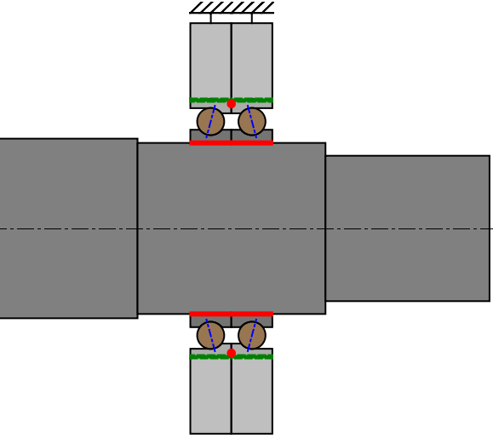
 | REAR (No Drive side) | Selection #2 | Comment | Units
 | Bearing series
 | Contac angle |  |  | [°Deg]
 | Internal design
 | Bore diameter |  |  | [mm]
 | Outer riameter |  |  | [mm]
 | Width |  |  | [mm]
 | Arrangment
 | Ball materials
 | Ring materials
 | Cage design
 | Cage material
 | Preload class/Spring value
 | Value |  |  | [N]
 | Type of bearings
 | Lubrication Brg Type
 | Grease/Oil type
 | Specific suffix request

 | Customer Validation Information

 | Customer Sketches Attachment
 | Sketch of the application

